Process
RFM
1 | Calculate Recency, Frequency, and Monetary dimension
 | Recency | = | dateif (date of last transaction, date of evaluation)
 |  |  | NOTE: need to reverse from positive to negative since the bigger the R, the negative it is
 | Frequency | = | count (distinct `purchase date`)
 | Monetary | = | sum(gmv)
2 | Divide 4 tiers each dimension using InterQuartile Range method
 | Define: | Min | Max |  | 25% | 50% | 75% |  | (IQR method)
R | (ex | 1 | 200 |  | 50 | 100 | 150
F | …
M | …

 | => RFM
 | Customer: | Robert | Tier
 | R | 30 | R-tier-3
 | F | 10 | F-tier-4 | RFM: | 342
 | M | 100000 | M-tier-2

 |  | … |  | RFM: | 113 |  |  |  | STAR (VIP) | QUESTION MARK (Potential)
 |  | … |  |  | 242 |  |  | R | 4, 3 | 4, 3
 |  |  |  |  | 322 |  |  | F | 4, 3 | 2, 1
 |  |  |  |  | 412 |  |  | M | 4, 3 | 4, 3
 |  |  |  |  | … |  |  |  | CASH COW (Standard) | DOG (About-to-quit)
 |  |  |  |  | => count(distinct) total: |  |  | R | 3, 2, 1 | 2, 1
 |  |  |  |  |  |  |  | F | 4, 3 | 2, 1
 |  |  |  |  | 212 | 60% |  | M | 2, 1 | 2, 1
 |  |  |  |  | 311 | 20%
 |  |  |  |  | 424 | 10%
 |  |  |  |  | 312 | 10%

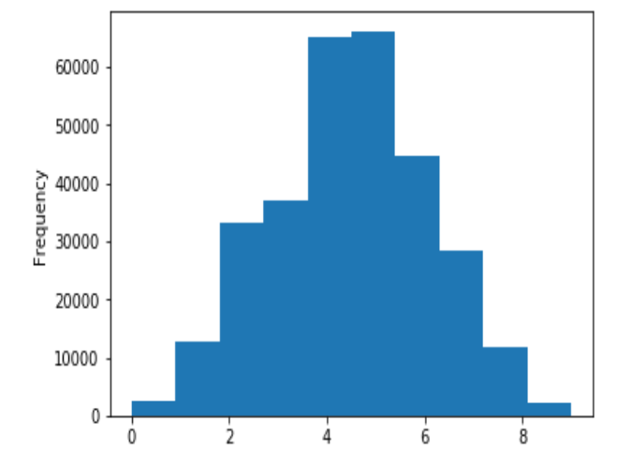
=> | Segmentate Customer:
 | Method 1 | Use model (BCG,…)
 | Method 2 | Clasify base on standard distribution of tier mark (using histogram)

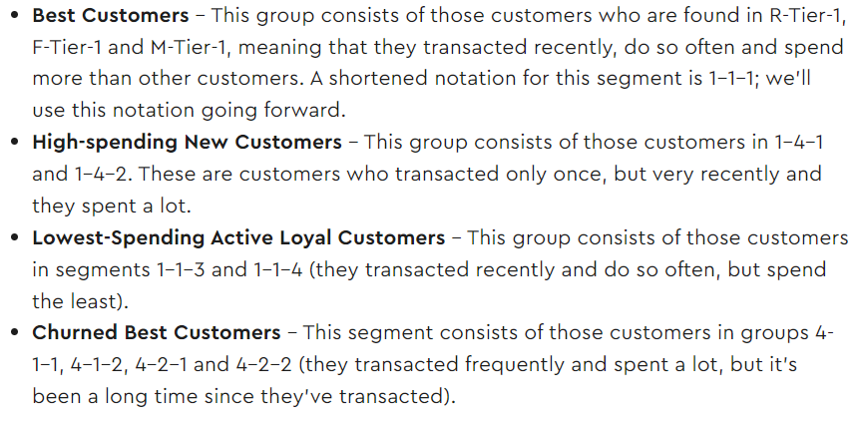
Example
 |  |  |  |  |  |  |  |  |  | 2
1
 |  |  |  |  |  |  |  |  |  |  |  | source: https://phamdinhkhanh.github.io/
 |  |  |  |  |  |  |  |  |  |  | - Low potential customer - Low label: rank from 0 - 4
 |  |  |  |  |  |  |  |  |  |  | - Regualar customers - Normal: rank from 4 - 7
 |  |  |  |  |  |  |  |  |  |  | - VIP customer: VIP: rank from 7 - 9

 | source: optivmove.com

